Graphs
The turtoise continues to beat the hare: Evidence after publication of 1st editon of book
 | Conservative stocks | Risky stocks
Jan-15 | $99.95 | $95.93
Feb-15 | $104.37 | $105.05
Mar-15 | $104.20 | $103.45
Apr-15 | $101.87 | $108.27
May-15 | $104.59 | $105.84
Jun-15 | $103.90 | $102.41
Jul-15 | $106.75 | $97.06
Aug-15 | $100.79 | $91.78
Sep-15 | $99.33 | $84.05
Oct-15 | $104.51 | $91.42
Nov-15 | $105.16 | $90.75
Dec-15 | $103.86 | $83.70
Jan-16 | $100.06 | $74.31
Feb-16 | $100.43 | $74.01
Mar-16 | $106.55 | $82.70
Apr-16 | $105.68 | $88.77
May-16 | $107.73 | $87.92
Jun-16 | $111.34 | $85.91
Jul-16 | $113.92 | $93.01
Aug-16 | $112.16 | $92.71
Sep-16 | $111.65 | $94.27
Oct-16 | $108.05 | $88.73
Nov-16 | $114.18 | $93.75
Dec-16 | $115.69 | $93.96
Jan-17 | $117.48 | $98.09
Feb-17 | $122.59 | $100.71
Mar-17 | $122.34 | $100.06
Apr-17 | $123.99 | $99.46
May-17 | $124.73 | $97.46
Jun-17 | $127.44 | $98.65
Jul-17 | $129.76 | $100.24
Aug-17 | $129.06 | $97.07
Sep-17 | $132.51 | $102.51
Oct-17 | $137.64 | $101.91
Nov-17 | $142.64 | $105.11
Dec-17 | $142.63 | $108.98
Jan-18 | $150.08 | $111.29
Feb-18 | $145.20 | $104.90
Mar-18 | $143.97 | $104.16
Apr-18 | $144.68 | $104.94
May-18 | $148.01 | $108.23
Jun-18 | $147.40 | $110.44
Jul-18 | $152.55 | $112.48
Aug-18 | $156.50 | $116.22
Sep-18 | $156.14 | $116.09
Oct-18 | $146.52 | $101.73
Nov-18 | $151.70 | $102.39
Dec-18 | $138.43 | $88.83
Jan-19 | $148.25 | $102.25
Feb-19 | $152.91 | $107.06
...
 | 10 portfolios
13.3% | 10.2%
16.2% | 11.5%
19.1% | 11.7%
21.2% | 11.9%
23.0% | 11.3%
25.3% | 11.8%
26.8% | 11.0%
29.0% | 10.3%
31.6% | 10.1%
35.6% | 6.5%
 | Conservative stocks | Risky stocks
Jan-29 | $104.37 | $103.92
Feb-29 | $106.56 | $102.15
Mar-29 | $105.58 | $95.53
Apr-29 | $106.75 | $93.62
May-29 | $99.49 | $81.11
Jun-29 | $107.29 | $84.78
Jul-29 | $112.15 | $82.01
Aug-29 | $118.79 | $81.34
Sep-29 | $113.46 | $76.16
Oct-29 | $98.80 | $56.54
Nov-29 | $88.23 | $50.28
Dec-29 | $90.13 | $44.92
Jan-30 | $94.24 | $55.40
Feb-30 | $96.34 | $57.88
Mar-30 | $102.50 | $66.36
Apr-30 | $99.76 | $64.21
May-30 | $100.88 | $57.60
Jun-30 | $90.47 | $40.82
Jul-30 | $92.08 | $43.66
Aug-30 | $92.45 | $40.11
Sep-30 | $84.03 | $31.29
Oct-30 | $78.85 | $26.58
Nov-30 | $76.94 | $25.28
Dec-30 | $71.34 | $19.23
Jan-31 | $75.98 | $22.97
Feb-31 | $81.55 | $28.29
Mar-31 | $80.66 | $26.29
Apr-31 | $73.58 | $21.05
May-31 | $67.81 | $17.18
Jun-31 | $74.22 | $21.83
Jul-31 | $71.75 | $19.08
Aug-31 | $70.30 | $19.19
Sep-31 | $53.10 | $11.61
Oct-31 | $58.49 | $12.84
Nov-31 | $56.49 | $11.14
Dec-31 | $51.04 | $8.17
Jan-32 | $51.35 | $9.54
Feb-32 | $53.70 | $9.46
Mar-32 | $48.97 | $7.66
Apr-32 | $42.70 | $5.80
May-32 | $34.10 | $3.99
Jun-32 | $35.07 | $4.55
Jul-32 | $43.10 | $7.76
Aug-32 | $54.76 | $15.53
Sep-32 | $53.65 | $13.64
Oct-32 | $48.59 | $10.32
Nov-32 | $47.24 | $8.87
Dec-32 | $47.90 | $7.59
Jan-33 | $50.33 | $7.98
Feb-33 | $45.17 | $6.22
...

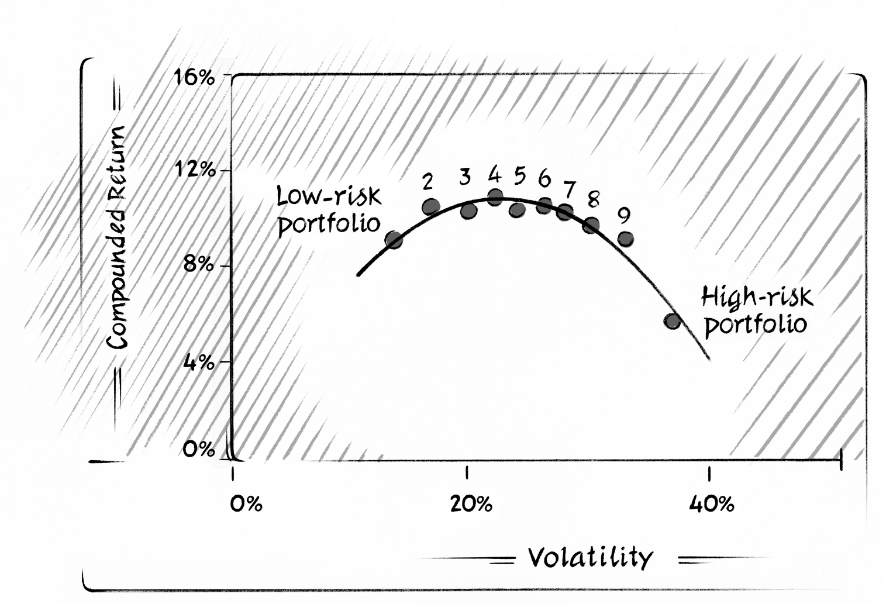
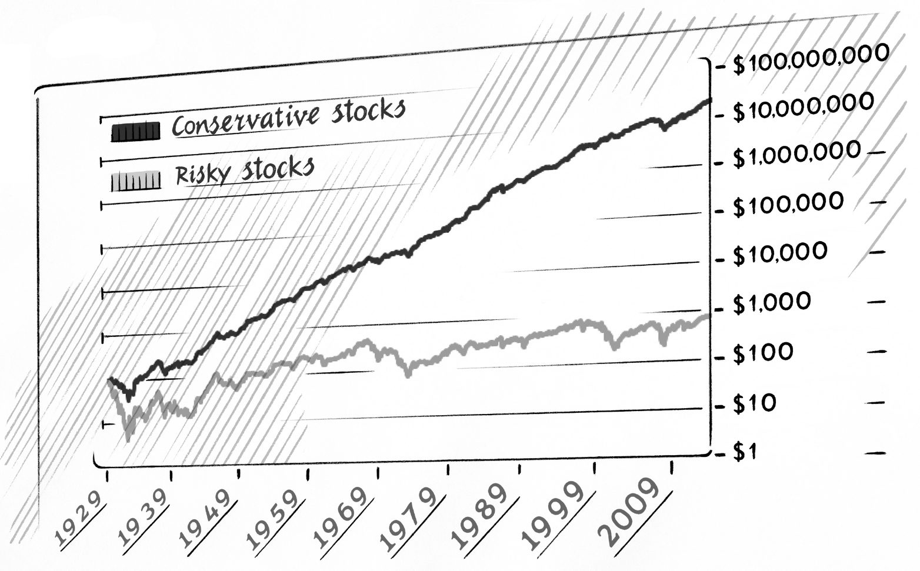

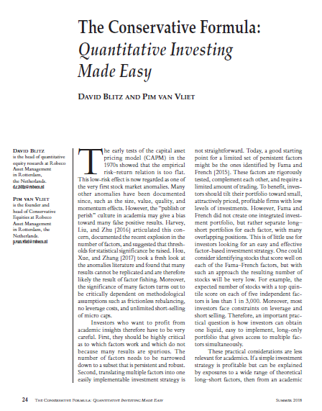

Conservative Formula 2025
The portfolios are constructed at the end of each month and include NYSE, AMEX, and NASDAQ stocks. The total return volatility is measured over 36 months. Rebalancing takes place at the end of each quarter. At rebalancing the largest 1,000 stocks are included based on total market capitalization and only those with prices above 1 dollar. The portfolios are equal weighted and include all sectors. The original portfolios were created based on the 2015 CRSP annual file and stacked and refreshed every year starting from January 2015.
 | Portfolios sorted on risk (3-year stock return volatility) |  |  |  |  |  |  |  |  |  | Portfolios sorted on Risk, Income, Momentum |  | Cumulative $ Returns |  | Funny statistics
 | Low volatility | 2 | 3 | 4 | 5 | 6 | 7 | 8 | 9 | High volatility | Conservative | Speculative | Conservative | Speculative | Conservative -/- Speculative | 12.6%
Jan-29 | 4.91% | 5.59% | 2.84% | 2.80% | 2.86% | 4.26% | 1.96% | 2.63% | 6.82% | -1.59% | 4.37% | 3.92% | $104.37 | $103.92 | Standard deviation | 14.8%
Feb-29 | 0.11% | -0.44% | 0.15% | 1.10% | 2.67% | -1.80% | 2.01% | -1.24% | 1.37% | 5.79% | 2.10% | -1.71% | $106.56 | $102.15 | Return / Stdev | 0.86
Mar-29 | -0.94% | -1.04% | -1.84% | -3.07% | -2.70% | -3.92% | -3.35% | -5.26% | -1.17% | -2.07% | -0.92% | -6.48% | $105.58 | $95.53 | t-value | 8.38
Apr-29 | -0.16% | 1.80% | 1.07% | 1.68% | -0.37% | 4.60% | 1.98% | -0.33% | 2.99% | -2.19% | 1.10% | -1.99% | $106.75 | $93.62
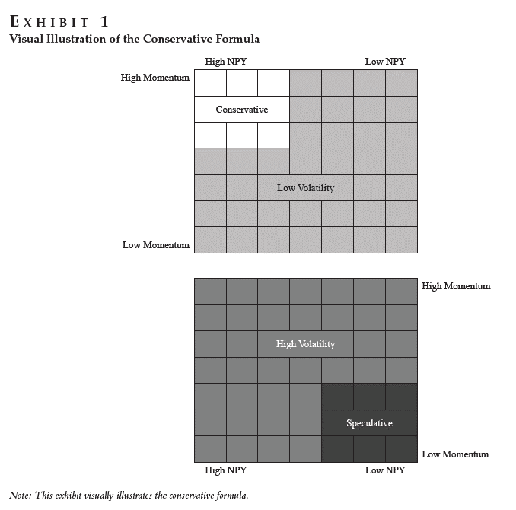
May-29 | 0.31% | -5.81% | -5.28% | -5.04% | -9.70% | -6.69% | -10.95% | -17.09% | -14.27% | -14.42% | -6.80% | -13.37% | $99.49 | $81.11
Jun-29 | 5.25% | 8.73% | 8.97% | 7.75% | 6.67% | 13.04% | 7.38% | 9.73% | 7.05% | 6.31% | 7.84% | 4.52% | $107.29 | $84.78
Jul-29 | 6.07% | 2.30% | 3.33% | 2.80% | 2.79% | 1.51% | -0.40% | -0.90% | -3.15% | -1.77% | 4.53% | -3.26% | $112.15 | $82.01
Aug-29 | 5.51% | 5.40% | 9.44% | 3.08% | 1.17% | 3.12% | 2.03% | 1.18% | 3.38% | -3.58% | 5.92% | -0.82% | $118.79 | $81.34
Sep-29 | -4.78% | -4.73% | -1.90% | -2.64% | -2.88% | -3.74% | -3.70% | -8.01% | -3.73% | -13.26% | -4.49% | -6.37% | $113.46 | $76.16
Oct-29 | -6.06% | -11.90% | -15.86% | -19.23% | -19.33% | -20.49% | -27.09% | -25.89% | -28.68% | -27.73% | -12.92% | -25.77% | $98.80 | $56.54
Nov-29 | -5.65% | -8.93% | -10.91% | -11.71% | -12.93% | -15.84% | -15.02% | -12.29% | -12.60% | -14.19% | -10.70% | -11.06% | $88.23 | $50.28
Dec-29 | -0.46% | -0.25% | -0.16% | -0.42% | -2.95% | -2.19% | -1.96% | -4.72% | -3.64% | -6.51% | 2.16% | -10.67% | $90.13 | $44.92
Jan-30 | 3.80% | 4.71% | 3.82% | 7.81% | 7.66% | 12.12% | 19.88% | 14.18% | 18.18% | 17.54% | 4.55% | 23.34% | $94.24 | $55.40
Feb-30 | 1.46% | 1.56% | 1.39% | 2.22% | 3.28% | 1.05% | 4.67% | 5.74% | 1.64% | 7.39% | 2.23% | 4.47% | $96.34 | $57.88
Mar-30 | 3.18% | 5.21% | 6.52% | 7.98% | 12.35% | 11.13% | 12.43% | 9.25% | 13.69% | 15.57% | 6.40% | 14.64% | $102.50 | $66.36
Apr-30 | -4.82% | -3.31% | -3.93% | -3.32% | -7.22% | -5.91% | -5.00% | -0.16% | -4.40% | -9.71% | -2.67% | -3.23% | $99.76 | $64.21
May-30 | -1.03% | -1.61% | -0.74% | -1.93% | -2.27% | -3.35% | -2.51% | -3.79% | -5.51% | -9.80% | 1.12% | -10.30% | $100.88 | $57.60
Jun-30 | -8.74% | -10.79% | -15.19% | -14.61% | -19.58% | -20.65% | -20.61% | -23.21% | -23.91% | -28.40% | -10.31% | -29.12% | $90.47 | $40.82
Jul-30 | 2.20% | 2.69% | 1.99% | 5.49% | 3.66% | 6.87% | 5.28% | 2.31% | 7.01% | 3.68% | 1.78% | 6.95% | $92.08 | $43.66
Aug-30 | 0.01% | 1.03% | -0.30% | -1.93% | 0.47% | -2.82% | -3.83% | -2.75% | -2.97% | -6.14% | 0.40% | -8.13% | $92.45 | $40.11
Sep-30 | -8.31% | -9.26% | -10.57% | -12.91% | -15.20% | -16.54% | -19.94% | -18.56% | -22.43% | -22.89% | -9.11% | -21.99% | $84.03 | $31.29
Oct-30 | -5.79% | -6.98% | -7.10% | -9.66% | -8.24% | -11.70% | -12.67% | -11.97% | -10.81% | -13.74% | -6.16% | -15.05% | $78.85 | $26.58
Nov-30 | -2.81% | -1.19% | -3.16% | -3.01% | -2.37% | -1.08% | 1.17% | -4.45% | -3.21% | -1.66% | -2.43% | -4.90% | $76.94 | $25.28
Dec-30 | -9.47% | -7.21% | -9.53% | -13.42% | -9.95% | -13.75% | -15.45% | -16.36% | -16.07% | -21.67% | -7.27% | -23.92% | $71.34 | $19.23
Jan-31 | 8.06% | 7.39% | 9.58% | 10.55% | 10.90% | 12.66% | 13.96% | 12.71% | 19.53% | 26.67% | 6.50% | 19.46% | $75.98 | $22.97
Feb-31 | 5.81% | 5.95% | 9.13% | 12.08% | 12.69% | 14.95% | 20.67% | 22.19% | 22.72% | 23.70% | 7.33% | 23.15% | $81.55 | $28.29
Mar-31 | -6.34% | -4.40% | -6.88% | -9.78% | -6.60% | -10.51% | -10.97% | -5.68% | 2.97% | -9.56% | -1.09% | -7.06% | $80.66 | $26.29
Apr-31 | -7.90% | -8.22% | -13.80% | -14.29% | -16.79% | -15.70% | -16.30% | -19.51% | -17.64% | -20.71% | -8.78% | -19.95% | $73.58 | $21.05
May-31 | -10.06% | -12.84% | -12.18% | -14.63% | -13.49% | -18.29% | -19.27% | -15.54% | -16.62% | -14.09% | -7.84% | -18.38% | $67.81 | $17.18
Jun-31 | 10.27% | 12.67% | 13.98% | 19.28% | 18.54% | 19.30% | 25.18% | 23.47% | 21.49% | 17.85% | 9.44% | 27.10% | $74.22 | $21.83
Jul-31 | -3.19% | -4.44% | -9.91% | -6.94% | -8.71% | -9.17% | -9.37% | -9.36% | -8.52% | -6.70% | -3.32% | -12.63% | $71.75 | $19.08
Aug-31 | -2.03% | 0.78% | -3.21% | -0.57% | 0.76% | 4.32% | -2.00% | -4.13% | -3.40% | -3.39% | -2.02% | 0.58% | $70.30 | $19.19
Sep-31 | -19.72% | -26.80% | -28.77% | -29.46% | -34.20% | -35.09% | -37.69% | -35.03% | -37.22% | -35.63% | -24.46% | -39.48% | $53.10 | $11.61
Oct-31 | 1.07% | 7.84% | 4.72% | 10.85% | 12.77% | 15.33% | 14.48% | 11.18% | 14.72% | 11.16% | 10.15% | 10.58% | $58.49 | $12.84
Nov-31 | -5.85% | -11.70% | -6.06% | -6.05% | -10.30% | -8.84% | -10.86% | -11.56% | -8.97% | -11.04% | -3.41% | -13.24% | $56.49 | $11.14
Dec-31 | -7.72% | -14.61% | -14.61% | -13.38% | -17.14% | -16.31% | -22.31% | -25.00% | -22.63% | -25.70% | -9.65% | -26.67% | $51.04 | $8.17
Jan-32 | 0.16% | 5.66% | 1.30% | 3.92% | 8.48% | 2.53% | 9.76% | 4.59% | 13.62% | 9.01% | 0.60% | 16.77% | $51.35 | $9.54
Feb-32 | 1.47% | 2.58% | 4.43% | -0.74% | 1.98% | 3.63% | -0.26% | 2.34% | 7.57% | 4.34% | 4.57% | -0.80% | $53.70 | $9.46
Mar-32 | -8.08% | -9.15% | -12.10% | -10.19% | -15.58% | -14.35% | -17.63% | -14.08% | -17.85% | -16.77% | -8.80% | -19.01% | $48.97 | $7.66
Apr-32 | -12.20% | -16.09% | -18.26% | -20.99% | -16.41% | -11.15% | -19.69% | -24.43% | -21.83% | -23.18% | -12.80% | -24.32% | $42.70 | $5.80
May-32 | -17.45% | -23.32% | -18.98% | -24.20% | -23.96% | -24.70% | -25.27% | -25.59% | -26.60% | -20.20% | -20.15% | -31.28% | $34.10 | $3.99
Jun-32 | -0.71% | 4.48% | 0.01% | 1.70% | 5.54% | 3.85% | 5.91% | 6.43% | 7.99% | 6.43% | 2.84% | 14.19% | $35.07 | $4.55
Jul-32 | 20.30% | 30.17% | 39.08% | 45.22% | 47.29% | 50.74% | 39.25% | 55.82% | 61.47% | 42.82% | 22.90% | 70.45% | $43.10 | $7.76
Aug-32 | 23.06% | 32.07% | 41.95% | 54.99% | 64.37% | 64.58% | 64.87% | 70.99% | 81.00% | 74.69% | 27.06% | 100.24% | $54.76 | $15.53
Sep-32 | -2.74% | 0.25% | -4.02% | -7.37% | -9.25% | -7.77% | -5.92% | -7.30% | -7.47% | -9.08% | -2.03% | -12.20% | $53.65 | $13.64
Oct-32 | -6.04% | -10.59% | -11.19% | -13.53% | -16.67% | -21.68% | -22.40% | -21.14% | -25.64% | -26.85% | -9.44% | -24.35% | $48.59 | $10.32
Nov-32 | -1.89% | -4.47% | -3.38% | -7.23% | -5.40% | -6.09% | -11.23% | -13.76% | -11.20% | -10.36% | -2.77% | -14.06% | $47.24 | $8.87
Dec-32 | -0.11% | 5.15% | -1.35% | -3.15% | -3.66% | -2.47% | -1.15% | -4.55% | -13.66% | -10.17% | 1.40% | -14.41% | $47.90 | $7.59
Jan-33 | 4.38% | 4.80% | 1.89% | 1.35% | 7.27% | 3.05% | 4.50% | 6.34% | 5.44% | 3.21% | 5.07% | 5.13% | $50.33 | $7.98
Feb-33 | -8.72% | -14.48% | -12.14% | -16.00% | -18.01% | -20.69% | -24.87% | -20.99% | -21.42% | -21.68% | -10.26% | -22.05% | $45.17 | $6.22
Mar-33 | 3.14% | 6.27% | 10.40% | 7.27% | 10.67% | 8.71% | 15.84% | 13.04% | 17.43% | 7.29% | 11.28% | 9.56% | $50.26 | $6.81
Apr-33 | 20.85% | 39.54% | 50.26% | 43.90% | 56.40% | 65.40% | 62.32% | 65.91% | 61.30% | 58.27% | 33.20% | 62.95% | $66.95 | $11.10
May-33 | 22.00% | 22.31% | 41.16% | 44.41% | 38.14% | 51.40% | 55.94% | 68.55% | 70.52% | 75.04% | 25.53% | 66.25% | $84.04 | $18.46
Jun-33 | 13.95% | 17.88% | 11.42% | 17.28% | 17.18% | 19.31% | 16.87% | 16.09% | 22.59% | 25.78% | 13.92% | 27.35% | $95.74 | $23.51
Jul-33 | -7.66% | -10.32% | -11.74% | -11.41% | -14.52% | -11.67% | -15.87% | -11.62% | -4.53% | -5.08% | -8.54% | -8.22% | $87.56 | $21.57
Aug-33 | 6.53% | 10.82% | 14.05% | 19.41% | 16.23% | 17.50% | 12.91% | 10.49% | 6.62% | 2.68% | 15.67% | 6.66% | $101.28 | $23.01
Sep-33 | -6.23% | -7.47% | -11.80% | -9.66% | -14.67% | -19.62% | -18.72% | -21.19% | -23.72% | -22.85% | -6.72% | -21.32% | $94.48 | $18.10
Oct-33 | -6.62% | -8.40% | -8.93% | -11.30% | -12.73% | -13.39% | -14.31% | -12.25% | -11.43% | -15.63% | -6.18% | -15.23% | $88.64 | $15.35
Nov-33 | 4.69% | 8.90% | 9.26% | 8.86% | 10.79% | 6.08% | 7.29% | 6.52% | 8.39% | -1.99% | 7.50% | 6.19% | $95.29 | $16.30
Dec-33 | 0.72% | 1.65% | 2.93% | -0.11% | 4.66% | 5.44% | 2.49% | -0.69% | -1.56% | 2.63% | 3.15% | 1.94% | $98.30 | $16.61
Jan-34 | 10.55% | 13.67% | 23.39% | 20.88% | 28.27% | 35.02% | 40.24% | 41.44% | 43.53% | 52.35% | 15.79% | 57.54% | $113.82 | $26.17
Feb-34 | 0.05% | -1.22% | -0.88% | -3.05% | -3.28% | 0.46% | -0.69% | 2.12% | 2.14% | 3.92% | -2.14% | -0.59% | $111.38 | $26.02
Mar-34 | 0.48% | 1.55% | 1.82% | 2.62% | 1.50% | 0.42% | -1.00% | -1.45% | -0.97% | 1.54% | 3.20% | -2.36% | $114.95 | $25.40
Apr-34 | 1.15% | 1.30% | -0.66% | -0.72% | -1.88% | -0.48% | -2.62% | 0.15% | -3.09% | 0.23% | 1.94% | -3.26% | $117.18 | $24.58
May-34 | -2.81% | -5.16% | -8.84% | -11.37% | -10.45% | -13.65% | -14.46% | -15.34% | -14.16% | -14.78% | -6.90% | -12.87% | $109.09 | $21.41
Jun-34 | 4.21% | 4.98% | 1.58% | 0.87% | 1.03% | 0.70% | 0.58% | 0.63% | -3.90% | -2.89% | 4.00% | -1.62% | $113.46 | $21.07
Jul-34 | -5.97% | -7.25% | -15.04% | -18.59% | -19.23% | -23.12% | -26.34% | -26.99% | -25.52% | -27.52% | -8.72% | -25.10% | $103.56 | $15.78
Aug-34 | 2.11% | 4.20% | 5.99% | 9.35% | 10.33% | 9.60% | 12.93% | 16.11% | 11.00% | 14.93% | 4.92% | 11.39% | $108.66 | $17.58
Sep-34 | 0.00% | 0.79% | -2.43% | -0.26% | -1.96% | -1.51% | -2.68% | -1.93% | -2.05% | -4.35% | -0.95% | -1.41% | $107.63 | $17.33
Oct-34 | 1.46% | 1.02% | -1.45% | -1.95% | -0.48% | -3.14% | -4.24% | -6.33% | -4.54% | -5.49% | 1.83% | -6.88% | $109.59 | $16.14
Nov-34 | 5.48% | 9.48% | 9.89% | 13.45% | 16.27% | 13.81% | 15.45% | 18.42% | 16.85% | 19.34% | 8.39% | 14.61% | $118.78 | $18.49
Dec-34 | -0.32% | 1.29% | 2.70% | 2.41% | 3.16% | -0.21% | 3.22% | 2.04% | 3.59% | -2.89% | 3.75% | -3.11% | $123.24 | $17.92
Jan-35 | -0.64% | -1.44% | -3.46% | -3.85% | -4.94% | -7.79% | -4.75% | -6.19% | -4.37% | -0.97% | -1.35% | -4.19% | $121.57 | $17.17
Feb-35 | 0.96% | 0.94% | -2.61% | -0.94% | -3.55% | -7.80% | -10.86% | -9.16% | -11.36% | -13.87% | 2.57% | -15.97% | $124.70 | $14.43
Mar-35 | -0.35% | -3.65% | -5.01% | -5.63% | -7.90% | -10.04% | -10.24% | -9.31% | -9.63% | -13.92% | -2.47% | -11.80% | $121.61 | $12.72
Apr-35 | 7.25% | 7.31% | 8.43% | 7.66% | 8.32% | 14.81% | 12.99% | 12.96% | 9.95% | 10.56% | 6.51% | 8.47% | $129.53 | $13.80
May-35 | 2.88% | 1.43% | 4.33% | 1.05% | 0.57% | 3.72% | -0.74% | 2.18% | 3.83% | -3.03% | -0.38% | 4.73% | $129.03 | $14.45
Jun-35 | 5.52% | 5.46% | 5.98% | 7.39% | 8.34% | 4.72% | 5.74% | 4.41% | 1.77% | -0.88% | 5.79% | 3.68% | $136.51 | $14.99
Jul-35 | 3.59% | 2.36% | 9.62% | 7.89% | 10.64% | 14.19% | 16.52% | 16.74% | 19.40% | 10.83% | 5.84% | 15.53% | $144.48 | $17.32
Aug-35 | -0.10% | -0.16% | 3.17% | 2.82% | 5.69% | 7.19% | 14.17% | 10.48% | 16.30% | 12.34% | 1.96% | 19.15% | $147.32 | $20.63
Sep-35 | 0.55% | 0.83% | 1.29% | 3.79% | 3.36% | 4.57% | 2.75% | 4.48% | -0.75% | 3.53% | 2.99% | -4.64% | $151.71 | $19.67
Oct-35 | 3.53% | 5.38% | 9.17% | 7.74% | 9.98% | 8.88% | 11.03% | 9.33% | 11.84% | 11.52% | 7.03% | 12.57% | $162.37 | $22.15
Nov-35 | 2.68% | 3.28% | 7.47% | 7.09% | 9.88% | 12.67% | 12.90% | 17.99% | 25.84% | 24.86% | 2.32% | 32.68% | $166.14 | $29.38
Dec-35 | 0.86% | 2.68% | 7.49% | 5.73% | 10.54% | 7.98% | 10.13% | 5.58% | 3.40% | 4.59% | 3.86% | 0.27% | $172.55 | $29.46
Jan-36 | 4.28% | 6.33% | 9.06% | 11.88% | 10.11% | 12.43% | 19.32% | 24.34% | 23.09% | 24.69% | 6.78% | 26.53% | $184.25 | $37.28
Feb-36 | 1.27% | 0.84% | 4.60% | 3.07% | 3.74% | 6.51% | 5.23% | 4.84% | 8.25% | 8.32% | 2.63% | 4.09% | $189.08 | $38.81
Mar-36 | -1.42% | 0.77% | -1.09% | 0.85% | 0.98% | 2.48% | -0.04% | -2.00% | 1.78% | -3.92% | 0.73% | 0.33% | $190.47 | $38.93
Apr-36 | -4.70% | -6.37% | -8.38% | -9.80% | -12.88% | -13.73% | -14.82% | -14.88% | -19.43% | -21.20% | -7.95% | -18.21% | $175.33 | $31.84
...

VOL Factors 2025
The portfolios are constructed at the end of each month based on the intersections of two portfolios formed on market equity and three portfolios formed on the past 36-month return volatility. The market equity breakpoint is the median NYSE market equity, and the volatility breakpoints are the 30th and the 70th NYSE percentiles within the two size groups. The portfolios include all NYSE, AMEX and NASDAQ common stocks (with a CRSP share code 10 or 11) with 36 months of returns and valid market equity data for the previous month. All portfolios are value-weighted and include all sectors. The legs of the VOL and CMS factor portfolios are leveraged to a beta of one using rolling 36-months betas. Therefore, the resulting VOL and CMS factors are nearly market neutral. The portfolios are based on the CRSP annual file and stacked and refreshed every year starting from January 2015.
 |  |  | Portfolios sorted on size (ME) and risk (3-year stock return volatility)
 | Small LowVol | Small Neutral | Small HighVol | Big LowVol | Big Neutral | Big HighVol | Rm-Rf | Rf | SLV-Rf | BLV-Rf | SHV-Rf | BHV-Rf | VOL
Jan-29 | 1.03% | 3.46% | -1.27% | 5.72% | 7.95% | 0.46% | 4.66% | 0.34% | 0.69% | 5.38% | -1.61% | 0.12% | 4.54%
Feb-29 | 1.94% | 0.28% | 1.98% | -0.66% | 0.40% | 0.39% | -0.34% | 0.36% | 1.58% | -1.02% | 1.62% | 0.03% | -0.45%
Mar-29 | -4.57% | -6.05% | -1.27% | 0.69% | -0.20% | -1.39% | -0.89% | 0.34% | -4.91% | 0.35% | -1.61% | -1.73% | -1.16%
Apr-29 | 0.48% | 0.02% | -2.23% | 2.21% | 2.37% | 0.54% | 1.43% | 0.36% | 0.12% | 1.85% | -2.59% | 0.18% | 2.17%
May-29 | -7.90% | -12.21% | -17.21% | -2.05% | -4.55% | -12.50% | -6.39% | 0.44% | -8.34% | -2.49% | -17.65% | -12.94% | 4.60%
Jun-29 | 6.63% | 5.73% | 7.61% | 8.66% | 13.11% | 11.22% | 9.70% | 0.52% | 6.11% | 8.14% | 7.09% | 10.70% | 2.55%
Jul-29 | 1.48% | -0.99% | -3.32% | 7.01% | 4.33% | 1.89% | 4.46% | 0.33% | 1.15% | 6.68% | -3.65% | 1.56% | 5.89%
Aug-29 | -0.77% | 0.04% | -2.22% | 8.65% | 11.49% | 8.21% | 8.18% | 0.40% | -1.17% | 8.25% | -2.62% | 7.81% | 3.22%
Sep-29 | -3.66% | -3.77% | -8.77% | -3.25% | -5.61% | -8.75% | -5.47% | 0.35% | -4.01% | -3.60% | -9.12% | -9.10% | 1.80%
...

